Sheet1
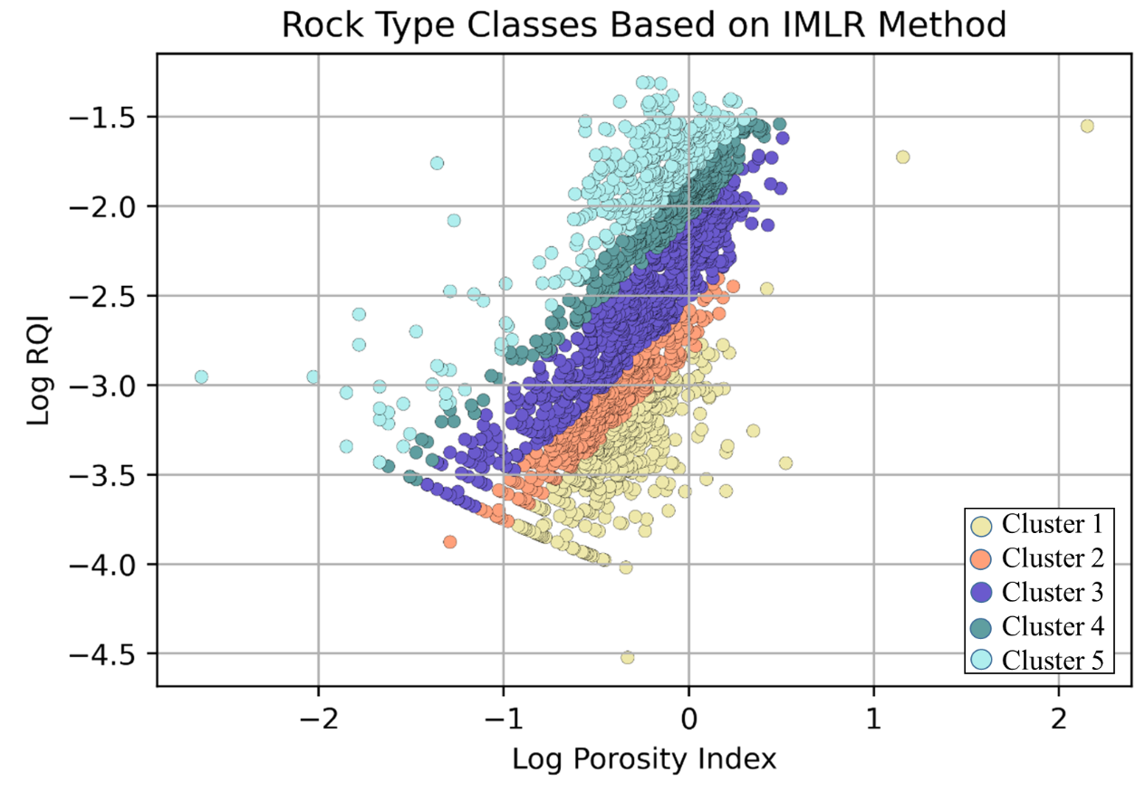
Porosity | Permeability |  | RQI | Norm Poro
(V/V) | mD |  | mD/(V/V) | Dimensionless
3.7399589801 | 0.069924607636 | Coarse Grained | 0.0042934978296 | 0.038852663478
4.7472683921 | 0.12240509425 |  | 0.0050420541032 | 0.049838658818
6.6997046725 | 0.17922923036 |  | 0.005135777951 | 0.071807968549
7.2286091605 | 0.38127661043 |  | 0.0072114460403 | 0.077918516637
7.8297187921 | 4.2551741541 |  | 0.023148093908 | 0.084948409504
9.7405656465 | 0.23423261153 |  | 0.0048692406559 | 0.10791742399
10.699455484 | 0.11074572339 |  | 0.0031945691412 | 0.11981400048 | RQI
10.896819563 | 5.2404099838 |  | 0.021775212453 | 0.12229439521 | FZI
11.282598514 | 0.71265441585 |  | 0.0078915910429 | 0.12717458272 | Normalized Porosity
11.57789646 | 0.14136117151 |  | 0.0034696038033 | 0.13093893944
12.367401939 | 0.90511816314 |  | 0.0084946022886 | 0.14112787037
12.971061111 | 0.26284215268 |  | 0.0044698135021 | 0.14904308011 |  | (1)
14.60855623 | 2.045985035 |  | 0.011751064937 | 0.17107751766
15.617283081 | 2.2292618172 |  | 0.011863352791 | 0.18507679832 |  | (2)
15.68060851 | 0.66204705343 |  | 0.0064519741767 | 0.185966813
16.521846592 | 9.2202110171 |  | 0.023456909144 | 0.19791820875
16.758212049 | 1.6252408946 |  | 0.0097785548948 | 0.20131970326 |  | (3)
18.389579075 | 16.351284302 |  | 0.029608723791 | 0.22533371187
18.70989387 | 0.13026564892 |  | 0.0026200461414 | 0.23016200569
18.998988868 | 2.8125265717 |  | 0.012081273636 | 0.23455249018
19.930088501 | 83.562005383 |  | 0.064295334697 | 0.24890858661
22.308858622 | 1.0947150371 |  | 0.0069557107578 | 0.2871480355
22.762568676 | 7.7695620752 |  | 0.018344981746 | 0.29470903273
24.183691651 | 2.7657163017 |  | 0.010618719882 | 0.31897743608
25.580670444 | 82.247385909 |  | 0.056303415175 | 0.34373691078
24.746195416 | 14.546880335 |  | 0.024074671071 | 0.3288364695
26.912204983 | 45.80054063 |  | 0.040962863593 | 0.36821749756
27.496304178 | 4.5265461091 |  | 0.012740191635 | 0.3792400355
30.022854503 | 124.93423069 |  | 0.064053723498 | 0.42903799932
18.339719977 | 39.208238994 |  | 0.04591155119 | 0.22458556317
19.053934423 | 19.908273527 |  | 0.032096236727 | 0.23539049473
24.882932599 | 3.1720872942 |  | 0.011211182743 | 0.33125537858
24.091414943 | 5.5285572538 |  | 0.015041958976 | 0.31737404834
22.37931688 | 4.2311199267 |  | 0.013653182731 | 0.28831641234
23.266287196 | 14.354362453 |  | 0.024663690383 | 0.30320815123
26.967766578 | 69.383864287 |  | 0.050365876915 | 0.36925841254
30.1701361 | 205.88663449 |  | 0.082026671817 | 0.43205205359
6.7828899999 | 0.47273476611 |  | 0.0082895514684 | 0.072764431335
7.0164801361 | 0.79505412201 |  | 0.010569838334 | 0.075459394809
3.8457040998 | 0.1496456269 |  | 0.006194036075 | 0.039995135566
2.8555508029 | 0.11767508743 |  | 0.0063742188069 | 0.029394894165
7.4957600415 | 0.21234176351 |  | 0.00528493342 | 0.081031529419
10.782154793 | 1.3142381568 |  | 0.010962608454 | 0.12085199735
9.485477461 | 0.80995914921 |  | 0.0091755394675 | 0.10479508917
12.405918979 | 0.35620771309 | Fine Grained | 0.0053206762917 | 0.14162964934
13.211074219 | 1.1962664062 |  | 0.0094487538511 | 0.15222073669
12.950907993 | 0.29457866392 |  | 0.0047356563877 | 0.1487770601
14.838626744 | 0.95495348526 |  | 0.0079656991861 | 0.17424128071
14.0473134 | 0.28337903874 |  | 0.004459815305 | 0.16343076587
15.789220607 | 1.523719879 |  | 0.0097544293709 | 0.18749643123
15.711477849 | 0.14634813669 |  | 0.003030503068 | 0.18640115461
16.975543497 | 2.2848403819 |  | 0.011519821165 | 0.20446437366
17.6490362 | 1.1146102076 |  | 0.0078909748486 | 0.21431487121
16.813169939 | 0.207321649 |  | 0.0034868010974 | 0.2021133625
18.857795686 | 0.6883369868 |  | 0.0059990811709 | 0.23240428141
18.585502994 | 0.16149719713 |  | 0.0029270152363 | 0.22828247643
19.251267801 | 1.5732150978 |  | 0.008976231262 | 0.23840953631
20.067196639 | 0.29607108706 |  | 0.0038140316622 | 0.25105083014
19.707871749 | 0.13118739535 |  | 0.0025618626327 | 0.24545210319
21.638003047 | 6.9220927105 |  | 0.01775986929 | 0.27612878548
21.353048639 | 0.9887011352 |  | 0.0067566624013 | 0.27150510312
21.281097103 | 0.24115579087 |  | 0.0033425775267 | 0.27034290774
21.582497576 | 4.2837105993 |  | 0.013989070508 | 0.2752255161
23.118148935 | 2.2275652328 |  | 0.0097469409481 | 0.3006970906
22.799713247 | 0.31133561772 |  | 0.0036692673772 | 0.29533197616
23.449325599 | 0.13775536676 |  | 0.00240668213 | 0.30632421965
23.060871 | 8.3313943275 |  | 0.018873421539 | 0.29972877649
23.710207291 | 13.010941716 |  | 0.023260354982 | 0.31079134506
24.279802727 | 0.75432025492 |  | 0.0055345836519 | 0.32065160422
25.067277193 | 2.5414625268 |  | 0.0099981102536 | 0.33453044617
24.334650105 | 0.35434934069 |  | 0.0037890724511 | 0.32160890208
24.552040265 | 0.11744481604 |  | 0.002171714746 | 0.32541688802
25.03372469 | 6.6358141547 |  | 0.016166426029 | 0.3339331531
25.458629622 | 19.29438839 |  | 0.0273355392 | 0.34153691423
25.998266143 | 0.86617284593 |  | 0.0057313870461 | 0.35131968926
26.02524797 | 2.153657552 |  | 0.0090327613091 | 0.35181257463
27.052092912 | 4.6147363219 |  | 0.012968885576 | 0.37084124812
27.05786051 | 0.46821215537 |  | 0.0041305155689 | 0.37094964171
27.854642103 | 1.0775247975 |  | 0.0061758180646 | 0.38609056652
27.854615779 | 7.0262197 |  | 0.015770371522 | 0.38609006078
28.109034656 | 2.1539687929 |  | 0.0086921334624 | 0.39099537086
29.479412288 | 0.19639012337 |  | 0.0025628905459 | 0.4180256184
29.660862576 | 0.56668255153 |  | 0.0043401793874 | 0.42168362682
29.757332789 | 29.382275979 |  | 0.031201492159 | 0.42363614553
30.030403911 | 1.7148993319 |  | 0.0075035775764 | 0.42919218618
31.064356262 | 0.61950300871 |  | 0.0044342500429 | 0.45062836259
31.120022182 | 49.948871807 |  | 0.03978071098 | 0.45180069983
32.168724598 | 5.201392851 |  | 0.012626196821 | 0.47424619995
31.642043113 | 16.499718043 |  | 0.022674391998 | 0.46288749041
32.349568642 | 0.59167095081 |  | 0.0042465429868 | 0.47818717475
32.701598427 | 33.917344587 |  | 0.031978352049 | 0.48591939278
32.621580547 | 63.810950946 |  | 0.043916200264 | 0.48415473103
31.519756839 | 33.34297289 |  | 0.032295378477 | 0.46027518864
27.378419453 | 8.1408601236 |  | 0.017122241097 | 0.37700115099
26.276595745 | 6.4228349765 |  | 0.015524173224 | 0.35642135642
25.516717325 | 9.2730210277 |  | 0.018929008625 | 0.3425831463
21.451367781 | 10.170886844 |  | 0.02162128816 | 0.27309664313
19.779635258 | 0.93062131694 |  | 0.0068109392531 | 0.24656625935
16.816109422 | 0.43468023464 |  | 0.0050483776126 | 0.20215584178
15.828267477 | 0.32653803171 |  | 0.0045100342815 | 0.18804730523
14.840425532 | 0.25748401939 |  | 0.0041360102945 | 0.1742660837
14.878419453 | 0.47187632396 |  | 0.0055919765654 | 0.17479021603
14.802431611 | 0.15860028061 |  | 0.0032502374656 | 0.17374241884
17.727963526 | 0.34794720951 |  | 0.0043990297823 | 0.21547981897
19.247720365 | 0.52150831612 |  | 0.0051685725521 | 0.23835513315
18.829787234 | 0.27160050375 |  | 0.0037711362815 | 0.23197903014
21.869300912 | 0.27419397698 |  | 0.003515937556 | 0.27990663295
18.829787234 | 1.2811936622 |  | 0.0081905738884 | 0.23197903014
22.325227964 | 1.290572108 |  | 0.0075495807453 | 0.28741929172
23.844984802 | 2.6507713038 |  | 0.010469290563 | 0.31311115546
26.732522796 | 1.0157034259 |  | 0.0061205878214 | 0.36486206181
25.212765957 | 0.78374887724 |  | 0.0055361502429 | 0.33712660028
29.696048632 | 1.0012163095 |  | 0.0057655968656 | 0.4223951578
29.924012158 | 0.88596468977 |  | 0.0054029126155 | 0.42702233789
32.051671733 | 38.462932542 |  | 0.034397390881 | 0.47170655334
31.063829787 | 31.835489663 |  | 0.031787612941 | 0.45061728395
31.785714286 | 68.902325927 |  | 0.046230714091 | 0.46596858639
15.94224924 | 0.2161456206 |  | 0.0036561842297 | 0.18965828964
12.560790274 | 1.6426669225 |  | 0.011355229652 | 0.14365169028
12.902735562 | 2.5368997839 |  | 0.013923243084 | 0.14814168557
23.73100304 | 1.3784838924 |  | 0.0075678488325 | 0.31114874963
23.996960486 | 2.0786872572 |  | 0.0092415774336 | 0.31573685263
25.060790274 | 3.8835931161 |  | 0.012360872545 | 0.33441492598
26.656534954 | 2.1539850325 |  | 0.0089258408902 | 0.36344799005
31.025835866 | 0.50465144526 |  | 0.0040046416826 | 0.44981822188
8.561563537 | 0.155199964 | Medium Grained | 0.004227648915 | 0.093631998404
9.910353443 | 3.834919059 |  | 0.019532740366 | 0.1100054648
10.86761363 | 0.116742172 |  | 0.0032544412634 | 0.12192665396
10.97611707 | 0.163092163 |  | 0.0038275584292 | 0.12329407243
10.86552014 | 0.778784086 |  | 0.0084064555647 | 0.12190030342
10.97661808 | 0.264824186 |  | 0.0048772407561 | 0.12330039416
13.26700579 | 0.428553533 |  | 0.0056434636053 | 0.15296377014
13.67907076 | 0.913352476 |  | 0.0081137300676 | 0.15846760317
13.3612783 | 0.122210618 |  | 0.0030030330594 | 0.15421832222
14.12815049 | 0.415074973 |  | 0.0053820814526 | 0.16452598343
14.574087 | 0.575123347 |  | 0.0062376279644 | 0.17060498961
14.92683652 | 2.599648124 |  | 0.013103974637 | 0.17545881579
15.34218188 | 0.356306228 |  | 0.0047851746285 | 0.18122581258
14.88166254 | 5.710416974 |  | 0.019450816323 | 0.17483497662
16.39799698 | 0.13420448 |  | 0.0028406501752 | 0.19614358972
17.99816386 | 0.730845356 |  | 0.0063274437523 | 0.21948488848
19.34729986 | 7.021647895 |  | 0.018916421851 | 0.23988409348
19.02095892 | 0.82141487 |  | 0.0065252134779 | 0.23488743095
19.96669984 | 0.277795359 |  | 0.0037037272462 | 0.24947990149
20.56460798 | 5.042935453 |  | 0.015549310476 | 0.25888470437
20.55955618 | 1.455244333 |  | 0.0083539282097 | 0.25880464901
24.4617616 | 1.27188892 |  | 0.0071599563623 | 0.32383283113
24.51169513 | 61.56345328 |  | 0.04976276018 | 0.32470851176
25.93807824 | 3.63475299 |  | 0.011754338717 | 0.35022151226
30.66796538 | 41.99975741 |  | 0.036746041136 | 0.44233470932
19.44281525 | 0.406313321 |  | 0.0045392134346 | 0.2413542046
18.01319648 | 1.458551247 |  | 0.0089350112047 | 0.21970848608
19.07624633 | 1.641411847 |  | 0.0092106858282 | 0.23573111064
16.91348974 | 1.83684404 |  | 0.010347827436 | 0.20356481079
19.36950147 | 9.836374693 |  | 0.022376283638 | 0.2402254956
14.01759531 | 0.155061819 |  | 0.0033025190114 | 0.16302864941
14.0542522 | 0.208996732 |  | 0.0038290895607 | 0.16352469505
14.0542522 | 0.281753438 |  | 0.0044459071535 | 0.16352469505
13.6143695 | 0.312071267 |  | 0.0047539846321 | 0.15759993209
14.78739003 | 0.397482836 |  | 0.0051480537662 | 0.17353523188
19.62609971 | 0.483126864 |  | 0.0049265539271 | 0.24418498591
19.14956012 | 1.157913168 |  | 0.0077212611824 | 0.23685165039
25.89442815 | 5.077328396 |  | 0.013904139385 | 0.34942619703

Sheet2
X | X/100 | Y | Mod X | Mod Y | Factor | 0.38
3.7012360498 | 0.037012360498 | 1818.9072124 | 0.014059696989 | 4785.5967755 | Shift | 0.0005
3.871253995 | 0.03871253995 | 669.63823743 | 0.014705765181 | 1761.204736
3.8097266079 | 0.038097266079 | 1013.2929162 | 0.01447196111 | 2665.559154
6.4337552331 | 0.064337552331 | 625.91383819 | 0.024443269886 | 1646.1405275 | x | ymin | y | ymax
6.7926569517 | 0.067926569517 | 1780.7346841 | 0.025807096416 | 4685.1427536 | 0.01 | 2290.8676528 | 6309.5734448 | 25118.864315
7.4444280264 | 0.074444280264 | 605.28126783 | 0.0282838265 | 1591.8442897 | 0.05 | 153.36645979 | 296.45377964 | 728.22568121
7.424161222 | 0.07424161222 | 156.472853 | 0.028206812643 | 410.76951383 | 0.1 | 47.863009232 | 79.432823472 | 158.48931925
7.5849078853 | 0.075849078853 | 357.8407937 | 0.028817649964 | 940.68514725 | 0.2 | 14.937214147 | 21.283498063 | 34.493241537
6.5102571995 | 0.065102571995 | 1413.353617 | 0.024733977358 | 3718.3504717 | 0.3 | 7.5585117418 | 9.8507572285 | 14.136218184
7.8475920138 | 0.078475920138 | 127.86741847 | 0.029815849652 | 335.49205455 | 0.4 | 4.6616451837 | 5.7027721035 | 7.5070277124
8.0478194717 | 0.080478194717 | 424.0008176 | 0.030576713992 | 1114.7904733 | 0.5 | 3.2042795104 | 3.7321319661 | 4.59479342
8.897949684 | 0.08897949684 | 139.98043394 | 0.033807208799 | 367.36841104 | 0.6 | 2.3588802779 | 2.6394450458 | 3.0765731757
10.158807635 | 0.10158807635 | 241.31866762 | 0.038598469015 | 634.04797335 | 0.7 | 1.8206870062 | 1.9693083574 | 2.191716171
10.09016655 | 0.1009016655 | 443.11617475 | 0.038337632889 | 1165.0940448 | 0.8 | 1.4548185227 | 1.5280199508 | 1.6338118009
9.9761373595 | 0.099761373595 | 134.26066181 | 0.037904321966 | 352.31637912 | 0.9 | 1.1936378566 | 1.2216287138 | 1.2608588736
10.612900648 | 0.10612900648 | 500.64465206 | 0.040324022463 | 1316.4847745 | 1 | 1 | 1 | 1
10.973904048 | 0.10973904048 | 304.87696955 | 0.041695835381 | 801.30666264
11.465137341 | 0.11465137341 | 1192.5152083 | 0.043562521895 | 3137.1967647 | mmin | -1.68
11.155379329 | 0.11155379329 | 64.084718022 | 0.04238544145 | 167.64284284 | m | -1.9
13.033313296 | 0.13033313296 | 221.22772399 | 0.049521590526 | 581.17706907 | mmax | -2.2
12.968899722 | 0.12968899722 | 96.241581539 | 0.049276818944 | 252.26616788
14.432112832 | 0.14432112832 | 183.44233651 | 0.054837028762 | 481.74183887
14.629318877 | 0.14629318877 | 39.192391272 | 0.055586411733 | 102.13671981
15.169773493 | 0.15169773493 | 20.440473559 | 0.057640139274 | 52.789567935
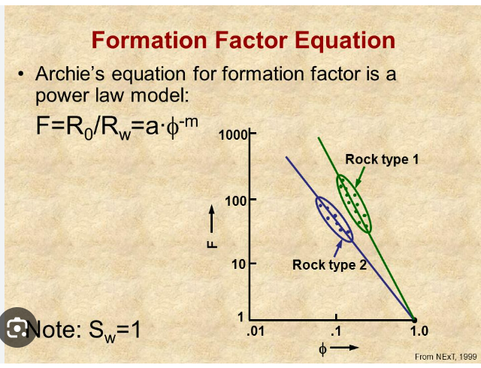
15.801761202 | 0.15801761202 | 86.258195844 | 0.060041692567 | 225.99410026
16.216223054 | 0.16216223054 | 164.7417282 | 0.061616647604 | 432.52971174
17.464202321 | 0.17464202321 | 39.12268973 | 0.066358968821 | 101.9532947
18.59526614 | 0.1859526614 | 22.008577776 | 0.070657011331 | 56.916157981
19.275377996 | 0.19275377996 | 130.40562233 | 0.073241436385 | 342.17153839
19.864995808 | 0.19864995808 | 14.881184777 | 0.075481984069 | 38.159860615
20.535136671 | 0.20535136671 | 39.094998559 | 0.078028519349 | 101.8804232
24.494222096 | 0.24494222096 | 75.093823484 | 0.093073043965 | 196.614173
26.887427425 | 0.26887427425 | 63.875243961 | 0.10216722421 | 167.09159531
26.343114048 | 0.26343114048 | 45.647246862 | 0.10009883338 | 119.12318189
27.610029397 | 0.27610029397 | 18.557287994 | 0.10491311171 | 47.833816449
29.935923223 | 0.29935923223 | 41.849437018 | 0.11375150825 | 109.12894546
32.187008474 | 0.32187008474 | 35.549098972 | 0.1223056322 | 92.549108497
36.118233751 | 0.36118233751 | 30.458069536 | 0.13724428825 | 79.151662613
3.8586056322 | 0.038586056322 | 2508.3186527 | 0.014657701402 | 6599.8374079
7.8497845647 | 0.078497845647 | 230.53884883 | 0.029824181346 | 605.68002917
8.1557496174 | 0.081557496174 | 301.52505444 | 0.030986848546 | 792.48583341
8.3459389143 | 0.083459389143 | 372.49174459 | 0.031709567874 | 979.24028117
8.7612266652 | 0.087612266652 | 311.98257066 | 0.033287661328 | 820.00561294
9.0593375035 | 0.090593375035 | 256.54428387 | 0.034420482513 | 674.11538455
11.088006372 | 0.11088006372 | 144.48477649 | 0.042129424214 | 379.22194406
11.01458729 | 0.1101458729 | 217.00922668 | 0.041850431701 | 570.07576036
11.476901262 | 0.11476901262 | 189.01945348 | 0.043607224797 | 496.41846246
13.358546277 | 0.13358546277 | 58.622621242 | 0.050757475854 | 153.26890394
13.417418067 | 0.13417418067 | 78.341675691 | 0.050981188654 | 205.16115249
13.992385047 | 0.13992385047 | 100.47657652 | 0.053166063179 | 263.41089151
12.456353547 | 0.12456353547 | 122.84165057 | 0.047329143477 | 322.26634954
14.68367997 | 0.1468367997 | 72.08767884 | 0.055792983888 | 188.70326605
15.648203939 | 0.15648203939 | 60.319010492 | 0.059458174967 | 157.73308618
16.420612077 | 0.16420612077 | 42.447120848 | 0.062393325893 | 110.70179764
16.937674579 | 0.16937674579 | 63.599406497 | 0.064358163399 | 166.36570725
13.705281929 | 0.13705281929 | 235.71741546 | 0.052075071332 | 619.3078361
32.903007405 | 0.32903007405 | 21.024479412 | 0.12502642814 | 54.326425446
31.110900535 | 0.31110900535 | 26.105150089 | 0.11821642203 | 67.696611437
28.753331145 | 0.28753331145 | 29.467750972 | 0.10925765835 | 76.545561129
29.937452446 | 0.29937452446 | 18.119073762 | 0.11375731929 | 46.680621102
31.655287258 | 0.31655287258 | 13.247201196 | 0.12028509158 | 33.859903824
23.549402887 | 0.23549402887 | 28.16516143 | 0.089482730971 | 73.117693913
24.798750425 | 0.24798750425 | 17.643634196 | 0.094230251615 | 45.429464351
23.784750332 | 0.23784750332 | 15.153989768 | 0.09037705126 | 38.877768488
19.506373594 | 0.19506373594 | 26.90060908 | 0.074119219656 | 69.789924571
21.11733457 | 0.2111733457 | 30.645710982 | 0.080240871366 | 79.645455893
21.768512788 | 0.21768512788 | 34.35118909 | 0.082715348593 | 89.39671407
27.490235647 | 0.27490235647 | 33.191098961 | 0.10445789546 | 86.34384531
24.497247867 | 0.24497247867 | 64.558710728 | 0.093084541896 | 168.89019207
24.662617777 | 0.24662617777 | 44.678965274 | 0.093712947552 | 116.57507245
23.146368401 | 0.23146368401 | 57.692409008 | 0.087951199923 | 150.82097701
21.71326043 | 0.2171326043 | 60.215767069 | 0.082505389633 | 157.46139296
22.558637679 | 0.22558637679 | 77.248014205 | 0.085717823182 | 202.28309595
22.570059117 | 0.22570059117 | 97.434671477 | 0.085761224646 | 255.40587825
22.1585351 | 0.221585351 | 118.37527513 | 0.08419743338 | 310.51272997
20.710228752 | 0.20710228752 | 128.45826322 | 0.078693869258 | 337.04690914
19.56075393 | 0.1956075393 | 96.450885702 | 0.074325864934 | 252.81696831
20.527154572 | 0.20527154572 | 69.199416555 | 0.077998187372 | 181.10257582
19.846654784 | 0.19846654784 | 74.930274211 | 0.07541228818 | 196.18378018
18.830898306 | 0.18830898306 | 81.234002681 | 0.071552413564 | 212.77253931
18.395566598 | 0.18395566598 | 56.328364022 | 0.069898153072 | 147.23138494
18.204327673 | 0.18204327673 | 83.001547931 | 0.069171445157 | 217.42397418
18.009758382 | 0.18009758382 | 106.81443844 | 0.068432081853 | 280.08947551
17.282828967 | 0.17282828967 | 117.97698438 | 0.065669750073 | 309.4645964
17.424469031 | 0.17424469031 | 157.62307137 | 0.066207982318 | 413.79640427
16.335982801 | 0.16335982801 | 125.4818078 | 0.062071734645 | 329.21413173
15.154995763 | 0.15154995763 | 141.61081918 | 0.057583983901 | 371.65889852
14.5944529 | 0.145944529 | 139.23407547 | 0.055453921021 | 365.40430982
17.014472693 | 0.17014472693 | 90.071467032 | 0.064649996235 | 236.02902444
15.085318077 | 0.15085318077 | 96.196195154 | 0.057319208692 | 252.14673003
15.490752829 | 0.15490752829 | 103.76018319 | 0.058859860751 | 272.0519617
17.995330446 | 0.17995330446 | 73.958565043 | 0.068377255695 | 193.62665079
20.206717817 | 0.20206717817 | 50.826243331 | 0.076780527706 | 132.75211997

